head protection
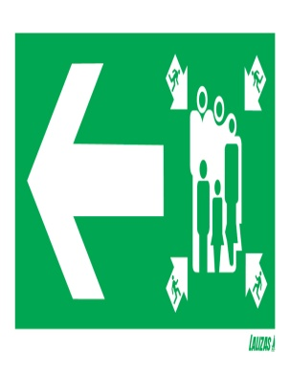
 | PRICE LIST
 | 40

HEAD PROTECTION AND ACCESSORIES

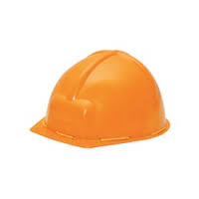
. | ITEM NAME |  | ITEM CODE | PACKING | PRICE
1 | HELMET MINE
 | COTTON FITTING HELMET |  | SE-101 | 100/PCS | 60/-
 | (IS- 2925 MARKED)
 | AVAILABLE COLOUR -
 | YELLOW

2 | HELMET NAPE(U) |  | UE-102 | 75/PCS | 85/-
 | PLASTIC FITTING NAPE
 | (IS- 2925 MARKED)
 | AVAILABLE COLOUR -
 | YELLOW/WHITE/BLUE/RED/
 | VIOLET/GREEN

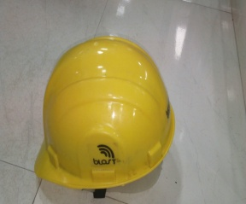
3 | HELMET BLAST NAPE (U) |  | UE-103 | 40/PCS | 130/-
 | PLASTIC FITTING NAPE
 | (IS- 2925 MARKED)
 | AVAILABLE COLOUR -
 | YELLOW/WHITE/BLUE/RED
 | VIOLET/ GREEN

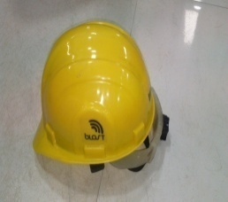
4 | HELMET RACHIT BLAST (U) |  | UE-104 | 30/PCS | 145/-
 | PLASTIC FITTING RACHIT
 | (IS- 2925 MARKED)
 | AVAILABLE COLOUR -
 | YELLOW/WHITE/BLUE/RED
 | VIOLET/GREEN

5 | HELMET VENTILATION | ? | SE-105 | 40/PCS | 145/-
 | HELMET EAR VENTILATION WITH
 | NAPE FITTING
 | AVAILABLE COLOUR -
 | YELLOW/WHITE

6 | HELMET VENTILATION RACHID | ? | SE-106 | 30/PCS | 160/-
 | HELMET EAR VENTILATION
 | AVAILABLE COLOUR -
 | YELLOW/WHITE

7 | HELMET FIBRE |  | SE-107 | 25/ PCS | 250/-
 | COTTON FITTING MINE
 | (IS- 2925 MARKED)
 | AVAILABLE COLOUR -
 | YELLOW/WHITE

8 | HELMET LOADER |  | SE-108 | 100/PCS | 65/-
 | COTTON FITTING
 | AVAILABLE COLOUR -
 | YELLOW

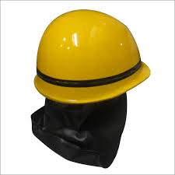
9 | HELMET FIRE MAN |  | SE-109 | 20/PCS | 1200/-
 | FIBER HELMET
 | AVAILABLE COLOUR -
 | YELLOW

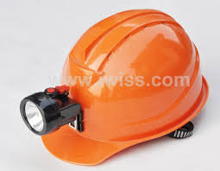
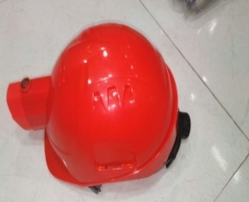
10 | HELMET WITH LIGHT IMPORTED
 | INBUILT FIXED L E D LITE IN HDPE HELMET
 | RECHARGEBLE |  | SE-110 | 20/PCS | 4500/-
 | AVAILABLE COLOUR -
 | RED. YELLOW

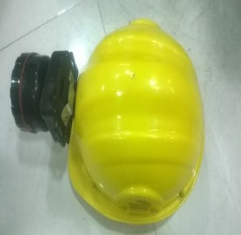
11 | HELMET WITH LIGHT NORMAL
 | EXTERNALLY FITTED LED LIGHT
 | RECHARGEABLE WITH BLAST HELMET |  | SE-111 | 20/PCS | 750/-
 | AVAILABLE COLOUR -
 | RED / YELLOW/ WHITE/ BLUE/

12 | HELMET WITH WELDIND FACE SHIELD | ? | SE-112 | 1/ PCS | 500/-
 | AVAILABLE COLOUR -
 | YELLOW FACE SHIELD BLACK

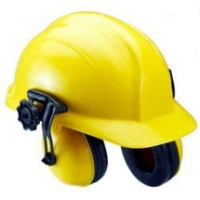
13 | HELMET WITH EARMUFF |  | SE-113 | 1/PCS | 600/-
 | HELMET FIX WITH EARMUFF
 | AVAILABLE COLOUR -
 | YELLOW/WHITE/BLUE/RED
 | VIOLET/GREEN

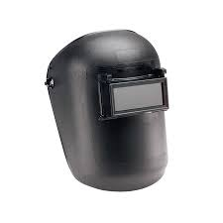
14 | WELDING HEAD SHIELD |  | SE-114 | 1/12 PCS | 350/-
 | HELMET WITH HEAD SHIELD
 | AVAILABLE COLOUR -
 | BLACK /RED

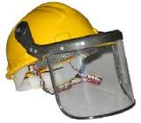
15 | HELMET WITH FACE SHIELD |  | SE-115 | 1/20 PCS | 250/-
 | FACE SHIELD FITTED WITH SCREW
 | SIZE OF FACE SHIELD : ?
 | AVAILABLE COLOUR -
 | YELLOW

EYE PROTECTION
PRICE LIST

EYE PROTECTION GOGGLES

S.NO | ITEM NAME | ITEM CODE | PACKING | PRICE

1 | GOGGLE ZOOM |  | 12/1440 | 15/-
 | USE US GRINDING & SAFETY
 | PURPOSE GOGGLES
 | AVAILABLE COLOUR -
 | BLACK & WHITE

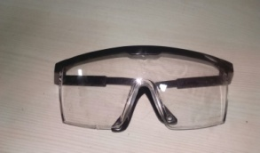
2 | GOGGLE INNOVISSION |  | 12/960 | 40/-
 | USE US GRINDING & SAFETY
 | PURPOSE GOGGLES
 | AVAILABLE COLOUR -
 | BLACK & WHITE

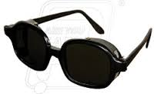
3 | GOGGLES NET TYPE |  | 12/720
 | USE FOR WELDING PURPOSE
 | GOGGLES ONLY
 | AVAILABLE COLOUR -
 | BLACK

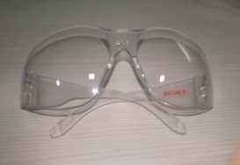
4 | GOGGLES HARDY |  | 12/300
 | USE FOR SAFETY PURPOSE
 | GOGGLES ONLY
 | AVAILABLE COLOUR -
 | BLACK , WHITE & YELLOW

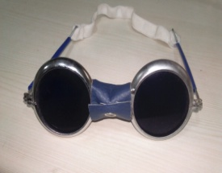
5 | GOGGLES BLUE GANDHI |  | 20 pcs | 400/-
 | USE FOR WELDING PURPOSE
 | GOGGLES ONLY
 | AVAILABLE COLOUR -

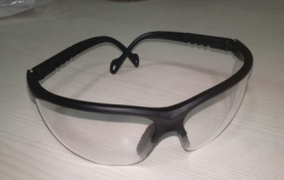
6 | GOGGLES HURRICANE
 | USE FOR SAFETY PURPOSE
 | GOGGLES ONLY
 | AVAILABLE COLOUR -
 | BLACK , WHITE & YELLOW

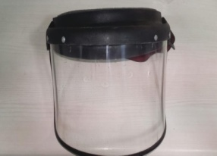
7 | SHIELD 6*9
 | USE US CUTING & BRIZING
 | PURPOSE GOGGLES
 | AVAILABLE COLOUR -
 | BLACK & WHITE

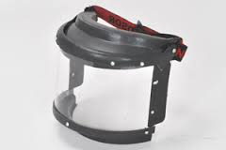
8 | WINDSOR RANGE
 | USE US GRINDING & SAFETY
 | PURPOSE GOGGLES
 | AVAILABLE COLOUR -
 | BLACK & WHITE

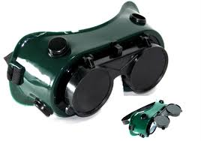
9 | TWO IN ONE GOGGLE |  | 100 | 120/-
 | USE FOR WELDING PURPOSE
 | GRINDING GOGGLES ONLY
 | AVAILABLE COLOUR -
 | BLACK & GREEN

GLOBUS(MASK)
 | PRICE LIST

 | RESPIRETORS PROTECTION

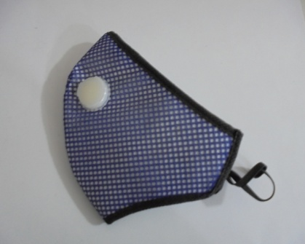
S.NO | ITEM NAME | MODEL NAME | PACKING | PRICE
1 | NOSE MASK-U 4 | U-4
* | HEALTH & PERSONAL CARE
* | ANTI POLLUTION DUST
 | MASK & DOUBLE ELASTIC
* | ONE WAY EXHALATION
 | VENT VALVE
* | AVAILABLE COLOUR -
 | BLUE, YELLOW

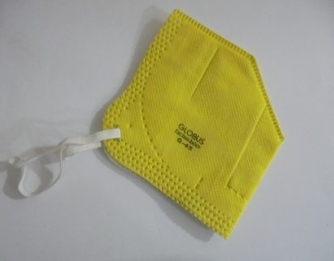
18 | GLOBUS MASK | G-45
* | USE FOR SAFETY PURPOSE
 | MASK
* | SINGLE ELASTIC
* | COMFORT FIT ON DIFFERENT
 | FACE MASK
 | AVAILABLE COLOUR -
 | YELLOW , BLUE

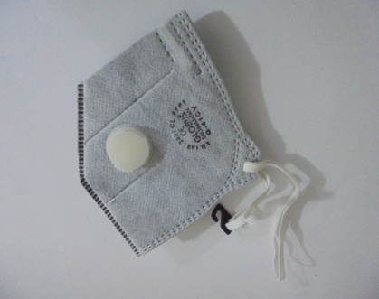
19 | GLOBUS MASK | G-41CV
* | SINGLE ELASTIC MASK
* | ONE WAY EXHALATION
 | VENT VALVE
* | AVAILABLE COLOUR -
 | GREY

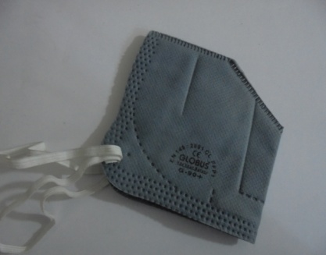
20 | GLOBUS MASK | G-90+
* | USE FOR SAFETY PURPOSE
 | MASK
* | AVAILABLE COLOUR -
 | GREY

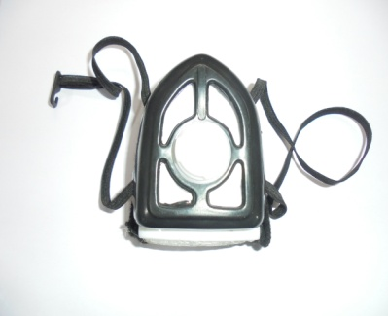
22 | GLOBUS MASK
* | USE FOR POLLUTION &
 | SAFETY PURPOSE MASK
* | AVAILABLE COLOUR -
 | WHITE & BLACK

MAGNUM (MASK)
 | PRICE LIST

 | RESPIRETORS PROTECTION

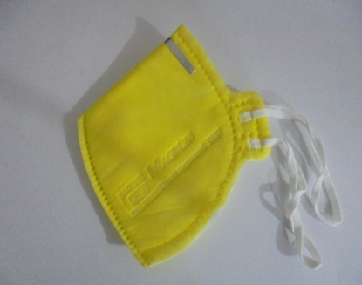
S.NO | ITEM NAME | MODEL NAME | PACKING | PRICE
11 | DUSTOGUARD M-44 | M-44 | 50/750/3000 | 9/-
* | USE FOR SAFETY PURPOSE
 | MASK
* | AVAILABLE COLOUR -
 | YELLOW, WHITE

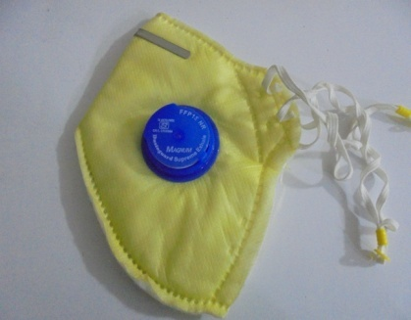
12 | DUSTOGUARD M-410 | M-410 | 25/250/1000 | 22/-
* | ALUMINUM CLIP
 | ADJUSTABLE ELASTIC
 | ONE WAY EXHALATION
 | VENT VALVE MASK
* | AVAILABLE COLOUR -
 | YELLOW, WHITE ,GREY

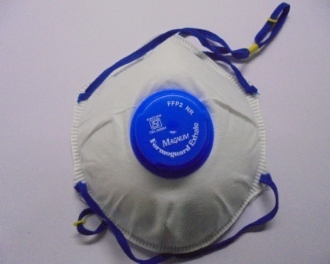
15 | N-95 MASK | N-95 | 10/100/400 | 45/-
* | NOSE LINE FOR COMFORT
 | & FIT MASK
* | ONE WAY EXHALATION
 | VENT VALVE
 | ADJUSTABLE ELASTIC
* | AVAILABLE COLOUR -
 | WHITE

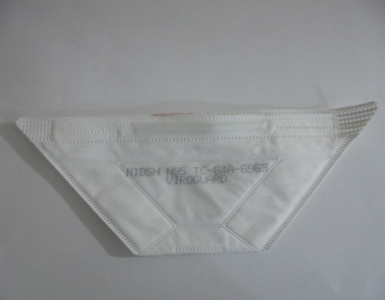
21 | VIROGUARD MASK -95 |  | 50/500/2000 | 37/-
* | USE FOR SAFETY PURPOSE
 | MASK
* | AVAILABLE COLOUR -
 | YELLOW , BLUE, WHITE

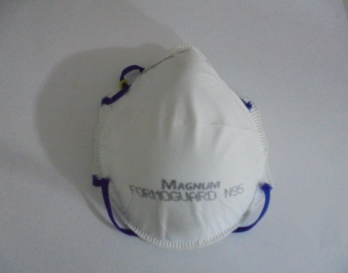
23 | FORMOGUARD -95 | MAGNUM -95 |  | 37/-
* | LARGE SURFACE AREA
* | SEWN ADJUSTABLE
* | DOUBLE ELASTIC
* | COMFORT FIT ON DIFFERENT
 | FACE MASK
* | AVAILABLE COLOUR -
 | WHITE , YELLOW

24 | ISI MASK | ISI MAGNUM
* | HEALTH & PERSONAL CARE
* | ANTI POLLUTION DUST
 | MASK
* | DOUBLE ELASTIC
* | AVAILABLE COLOUR -
 | WHITE , YELLOW

VENUS (MASK)
 | PRICE LIST

 | RESPIRETORS PROTECTION

S.NO | ITEM NAME | MODEL NAME | PACKING | PRICE
2 | NOSE MASK U-1 | U-1 |  |  | USE FOR SAFETY PURPOSE
* | HEALTH & PERSONAL CARE |  |  |  | MASK
* | ANTI POLLUTION DUST |  |  |  | AVAILABLE COLOUR -
 | MASK & SINGLE ELASTIC |  |  |  | BLUE, YELLOW
* | COMFORT FIT ON DIFFERENT
 | FACE MASK
* | AVAILABLE COLOUR -
 | YELLOW ,BLUE , GREY

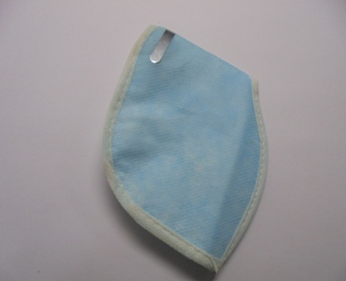
3 | MASK WITH CLIP U-90 | U-90
* | HEALTH & PERSONAL CARE
* | ANTI POLLUTION DUST
 | MASK & SINGLE ELASTIC
* | ALUMINUM CLIP &
* | ADJUSTABLE DIFFERENT
 | FACE MASK
* | AVAILABLE COLOUR -
 | BLUE
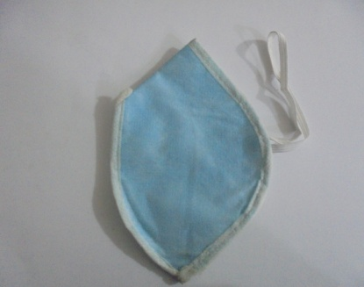
4 | MASK WITHOUT CLIP U-90 | U-90
* | HEALTH & PERSONAL CARE
* | ANTI POLLUTION DUST
 | MASK SINGLE ELASTIC
* | AVAILABLE COLOUR -
 | BLUE, YELLOW

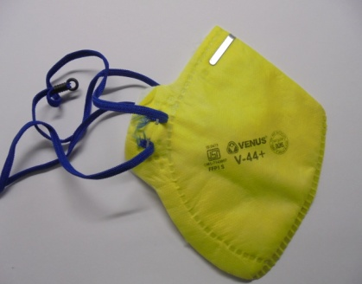
5 | NOSE MASK V-44 | V-44+ VENUS
* | ANY POLLUTION DUST
 | MASK
* | STAPLED ADJUSTABLE
 | ELASTIC
* | AVAILABLE COLOUR -
 | YELLOW

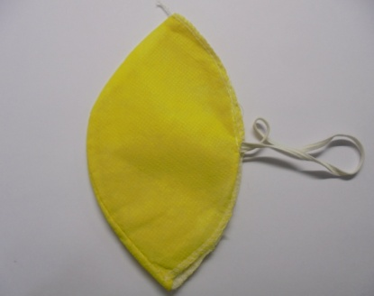
6 | NOSE MASK OVER
* | LOCK METTI
* | USE FOR SAFETY PURPOSE
 | MASK
* | AVAILABLE COLOUR -
 | BLUE, YELLOW, WHITE

7 | NOSE MASK M-1 METTI | M-1
* | USE FOR SAFETY PURPOSE
 | MASK
* | AVAILABLE COLOUR -
 | YELLOW

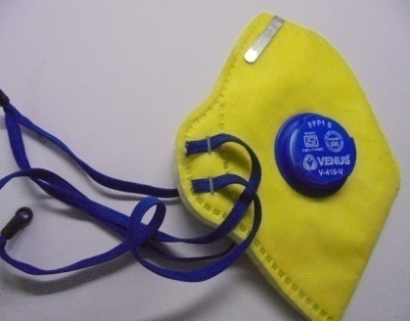
8 | NOSE MASK V410SLV | V410SLV
* | SEWN ADJUSTABLE
 | DOUBLE ELASTIC
* | ONE WAY EXHALATION
 | VENT VALVE
* | AVAILABLE COLOUR -
 | YELLOW, GREY

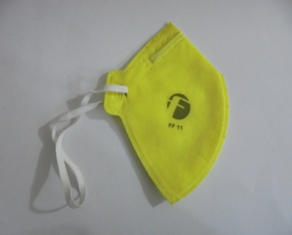
9 | NOSE MASK MIDAS FF11 | FF-11
* | USE FOR SAFETY PURPOSE
 | MASK
* | AVAILABLE COLOUR -
 | YELLOW

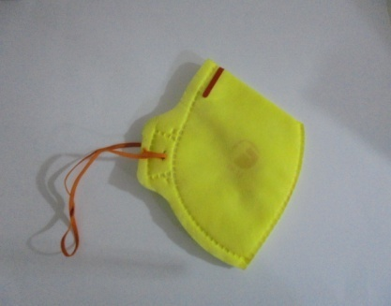
10 | NOSE MASK MIDAS FF12 | FF-12
* | USE FOR SAFETY PURPOSE
 | MASK
* | WITH CLIP MASK
* | AVAILABLE COLOUR -
 | YELLOW

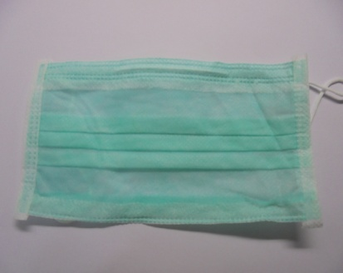
13 | 2PLY MASK
* | HEALTH & PERSONAL CARE
 | ANTI POLLUTION DUST
 | MASK
* | AVAILABLE COLOUR -
 | WHITE , BLUE ,GREEN

14 | 3PLY MASK
* | HEALTH & PERSONAL CARE
 | ANTI POLLUTION DUST
 | MASK
* | AVAILABLE COLOUR -
 | WHITE , BLUE , GREEN

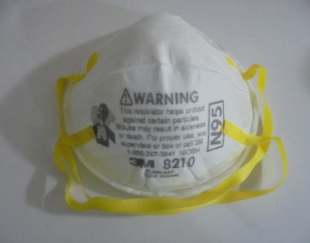
25 | 3M MASK -N95 | 3M -8210
* | HEALTH & PERSONAL CARE
* | ANTI POLLUTION DUST
 | MASK
* | DOUBLE ELASTIC
* | COMFORT FIT ON DIFFERENT
 | FACE MASK
* | AVAILABLE COLOUR -
 | WHITE , YELLOW

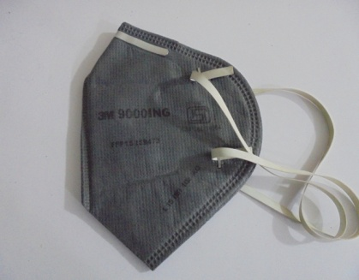
26 | 3M MASK | 3M -9000ING
* | USE FOR POLLUTION &
 | SAFETY PURPOSE MASK
* | DOUBLE ELASTIC
* | ALUMINUM CLIP
* | AVAILABLE COLOUR -
 | GREY

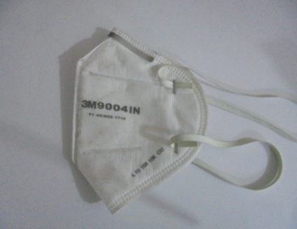
27 | 3M MASK | 3M- 9004ING
* | USE FOR POLLUTION &
 | SAFETY PURPOSE MASK
* | DOUBLE ELASTIC
* | ALUMINUM CLIP
* | AVAILABLE COLOUR -
 | WHITE

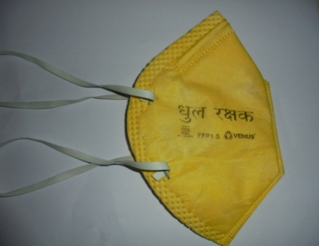
28 | ISI MASK DHUL RAKSHAK | FFP-1 S VENUS
* | HEALTH & PERSONAL CARE
* | ANTI POLLUTION DUST
 | MASK
* | AVAILABLE COLOUR -
 | YELLOW

EAR PROTECTION
 | PRICE LIST

EAR PROTECTION

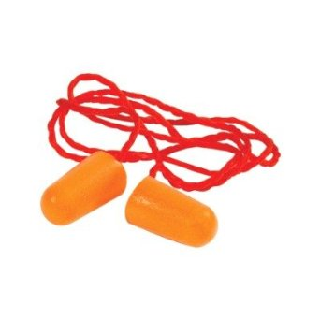
S.NO | ITEM NAME | M.N | P/C | M.R.P | PRICE
1 | 3M EAR PLUG | 3 m 1110 | 500 prs |  | 8/-
 | NOISE REDUCTION
 | SOFT FOAM
 | CORDED WITH COTTON
 | INSIDE EAR PLUG
 | AVAILABLE COLOUR -
 | ORANGE

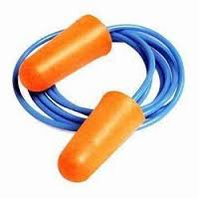
2 | EAR PLUG VENUS | h-101 | 150 PC/1500 PCS |  | 7/-
 | NOISE REDUCTION
 | SOFT FOAM
 | CORDED EAR PLUG
 | AVAILABLE COLOUR -

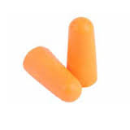
3 | FRONTIER EAR PLUG |  | 200PC |  | 5/-
 | MEDITATION , SWIMMING ,
 | SPRORTS, NOISE REDUCTION
 | SOFT FOAM REUSEBLE
 | EAR PLUG
 | AVAILABLE COLOUR -

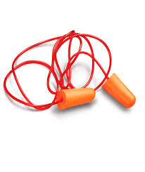
4 | EAR PLUG KARAM
 | NOISE REDUCTION
 | SOFT FOAM
 | CORDED EAR PLUG
 | AVAILABLE COLOUR -

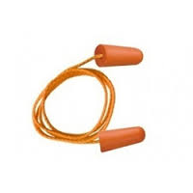
5 | LOCAL EAR PLUG
 | NOISE REDUCTION
 | SOFT FOAM
 | CORDED EAR PLUG
 | AVAILABLE COLOUR -

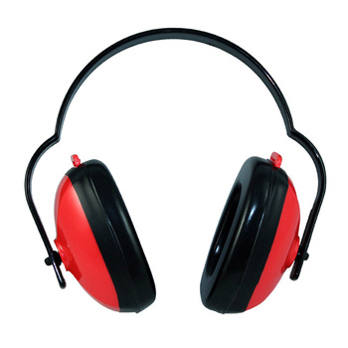
6 | 3M EAR MUFF | 3 m 1436 | 1 PC / 20PCS | 280/-
 | SOUNDPROOF EAR
 | MUFF SOFT PROTECTOR
 | NOISE REDUCTION
 | TRAVAL, SLEEP, STUDY &
 | FOLDABLE EARMUFF
 | AVAILABLE COLOUR -
 | RED / BLACK

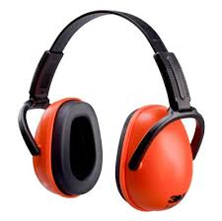
7 | 3M EAR MUFF | 3 M 1426 | 1 /PC
 | SOUNDPROOF EAR
 | MUFF SOFT PROTECTOR
 | NOISE REDUCTION
 | TRAVAL, SLEEP, STUDY &
 | MULTI POSITION EARMUFF
 | AVAILABLE COLOUR -
 | ORANGE / BLACK

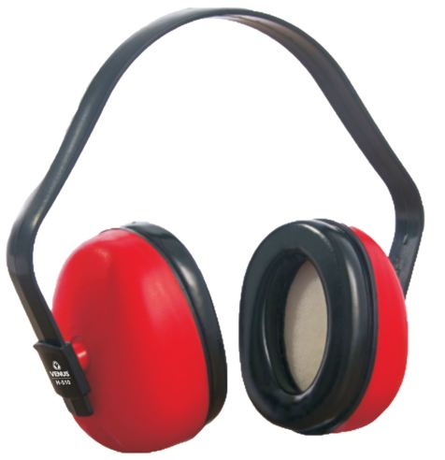
8 | EAR PLUG VENUS |  | 1 /PC
 | SOUNDPROOF EAR
 | MUFF SOFT PROTECTOR
 | NOISE REDUCTION
 | TRAVAL, SLEEP, STUDY
 | EARMUFF
 | AVAILABLE COLOUR -

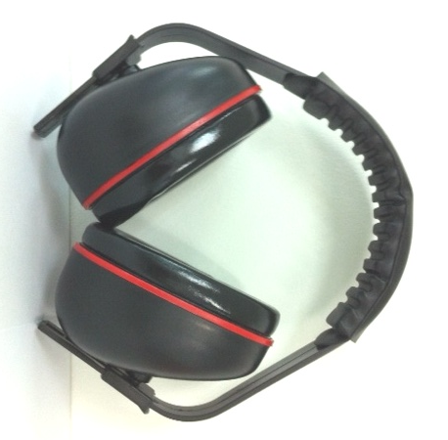
9 | FRONTIER EAR MUFF |  | 1 /PC
 | SOUNDPROOF EAR
 | MUFF SOFT PROTECTOR
 | NOISE REDUCTION
 | TRAVAL, SLEEP, STUDY
 | EARMUFF
 | AVAILABLE COLOUR -


10 | EAR MUFF KARAM |  | 1 /PC
 | SOUNDPROOF EAR
 | MUFF SOFT PROTECTOR
 | NOISE REDUCTION
 | TRAVAL, SLEEP, STUDY
 | EARMUFF
 | AVAILABLE COLOUR -


11 | LOCAL EAR MUFF |  | 1 /PC
 | SOUNDPROOF EAR
 | MUFF SOFT PROTECTOR
 | NOISE REDUCTION
 | TRAVAL, SLEEP, STUDY
 | EARMUFF
 | AVAILABLE COLOUR -

